Ability Calculator
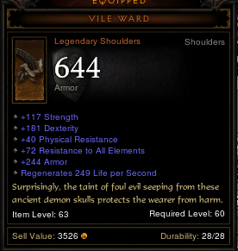
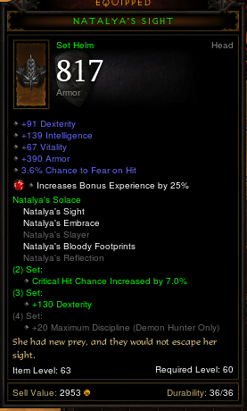
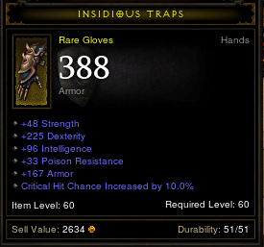
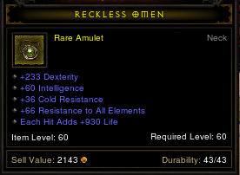
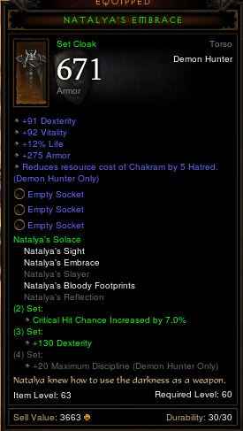
 | Strength | Dexterity | Intelligence | Vitality |  | Level | Paragon Level
Amount without Items | 80 | 235 | 80 | 153 |  | 60 | 17
Amount with Items | 335 | 2190 | 641 | 823

Damage Per Second Summary
DPS | Weapon Damage |  | Weapon Speed |  | Crit Damage Bonus |  | Primary Stat Dmg Factor
67217.623977 | 837 |  | 1.5367 |  | 220.32% |  | 23.72

Equipment and Base Stats
Item | Weapon Damage |  | Weapon Speed |  | Crit Damage Bonus |  | Primary Stat | Equipped? | Item | W* | A* | CC* | CB* | S | DPS w/1 vals | DPS w/ IRL vals
 | Lower Range | Upper Range | Base Atk Spd | Bonus Spd | Crit Chance | Crit Dmg | Dexterity |  |  | 779 | 1.440 | 0.32 | 3.76 | 2190
Sum | 681 | 993 | 1.1 | 0.37 | 32% | 376% | 2272 |  | Insidious Traps | 0 | 0.000 | 0.10 | 0.00 | 225 | 248.60 | 44,549.71
Base Crit Dmg Bonus |  |  |  |  |  | 50% |  | y | Fitted Snare | 0 | 0.060 | 0.05 | 0.24 | 38 | 53.82 | 40,257.28
Base Crit Chance |  |  |  |  | 5% |  |  | y | Gruesome Grips | 0 | 0.050 | 0.10 | 0.24 | 69 | 100.25 | 45,997.24
Base Dexterity |  |  |  |  |  |  | 235 | y | Fist Eye | 0 | 0.080 | 0.10 | 0.50 | 67 | 121.18 | 49,931.08
Manticore | 615 | 909 | 1.1 | 10% |  | 98% | 176 | y | Brawler's Cure | 0 | 0.060 | 0.10 | 0.50 | 155 | 272.84 | 51,113.72
Weapon Socket 1 |  |  |  |  |  | 70% |  | y | Assault Tendrils | 0 | 0.090 | 0.10 | 0.50 | 112 | 203.23 | 51,219.15
Weapon Socket 2 |  |  |  |  |  | 80% |  | y | Theory | 30 | 0.080 | 0.08 | 0.00 | 200 | 7,267.84 | 45,194.20
Natalya's Bloody Footprints |  |  |  |  |  |  | 93 | y | Theory | 30 | 0.080 | 0.00 | 0.40 | 200 | 9,421.27 | 40,001.67
Natalya's Solace Set Bonus |  |  |  |  | 7% |  | 130 | y | Cruel Band | 34 | 0.000 | 0.00 | 0.47 | 80 | 4,167.45 | 36,769.19
Dead Man's Legacy |  |  |  | 16% | 10% |  | 174 | y | Gleaming Ring | 0 | 0.000 | 0.00 | 0.46 | 154 | 226.30 | 37,019.74
Blackthorne's Jousting Mail |  |  |  |  |  |  | 93 | y
Pants Socket 1 |  |  |  |  |  |  | 34 | y
Pants Socket 2 |  |  |  |  |  |  | 34 | y
Cruel Band | 34 |  |  |  |  | 47% | 80 | y
Awful Meridian | 32 | 84 |  |  |  | 31% |  | y
Blackthorne's Notched Belt |  |  |  |  |  |  | 172 | y
Lacuni Prowlers |  |  |  | 8% |  |  | 128 | y
Insidious Traps |  |  |  |  | 10% |  | 225 | y
Natalya's Embrace |  |  |  |  |  |  | 91 | y
Chest Socket 1 |  |  |  |  |  |  | 34 | y
Chest Socket 2 |  |  |  |  |  |  | 34 | y
Chest Socket 3 |  |  |  |  |  |  | 34 | y
Reckless Omen |  |  |  |  |  |  | 233 | y
Natalya's Sight |  |  |  |  |  |  | 91 | y
Vile Ward |  |  |  |  |  |  | 181 | y
Enchantress Focused Mind |  |  |  | 3% |  |  |  | y
 |  |  |  |  |  |  |  | n

Damage Per Second |  | 56592.541062 |  | http://eu.battle.net/d3/en/forum/topic/5035263846
Weapon Damage |  | 779 |  | YouTube: Diablo 3 - How a Weapon's DPS is Calculated
Item | Lower Range | Upper Range
Manticore | 615 | 909 |  | Level 1 Default Weapon :: 1.20
N/A | 0 | 0 |  | Axe :: 1.30
Cruel Band | 34 | 0 |  | Axe - 2h :: 1.10
Attacks Per Second |  | 1.4399 |  | Bow :: 1.40
Item | Base Atk Spd | Weap Speed |  | Ceremonial Knife :: 1.40
Manticore | 1.1 | 10.000% |  | Crossbow :: 1.10
Dead Man's Legacy | N/A | 16.000% |  | Dagger :: 1.50
Enchantress Focused Mind | N/A | 3.000% |  | Daibo :: 1.10
Critical Damage Bonus |  | 220.32% |  | Fist Weapon :: 1.40
Crit Hit Chance | Crit Hit Bonus |  |  | Hand Crossbow :: 1.60
32.00% | 376% |  |  | Mace :: 1.20
Damage Increase by Primary Stat |  | 2290.00% |  | Mace - 2h :: 0.90
Primary Stat | Stat # |  |  | Mighty Weapon :: 1.30
Dexterity | 2190 |  |  | Mighty Weapon - 2h :: 1.00
 |  |  |  | Polearm :: 0.95
Total Damage Mitigation |  | 85.88% |  | Staff :: 1.00
Armor Reduction |  | 65.83% |  | Sword :: 1.40
Armor | Enemy Level | 50 |  | Sword - 2h :: 1.10
5779 | 60 |  |  | Wand :: 1.40
Resistances Reduction |  | 58.67%
Resistance (Lowest) | Enemy Level | 5 |  | 14.124546507
425.81 | 60 |  |  | 38.618958247
Bonus Armor/Resistance from Skills and Items
Perfectionist (skill) | +10% armor/res | 10.00% |  | If player level < 35, Life = Vitality × 10 + Level × 4 + 36
Natalya's Bloody Footprints | resist all | 77 |  | If player level ≥ 35, Life = Vitality × (Level − 25) + Level × 4 + 36
Blackthorne's Jousting Mail | resist all | 78
Reckless Treasure | resist all | 30
Reckless Omen | resist all | 66
Vile Ward | resist all | 72

